The Excelerated Life Scorecard
Tools for the Excelerated Life

the Excelerated Life Scorecard

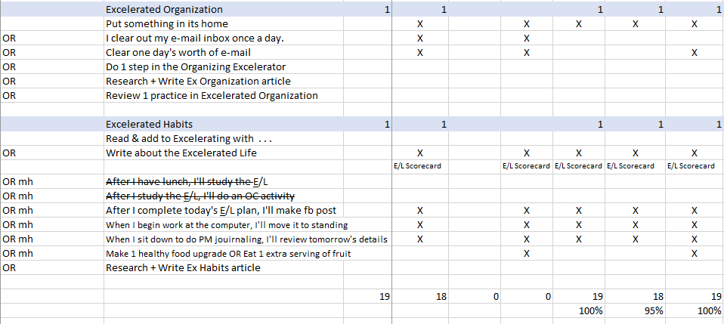

Steven Huskey

Example
<--- Insert date and day here
 |  | Date | 2022-01-02 | 2022-01-03 | 2022-01-04 | 2022-01-05 | 2022-01-06 | 2022-01-07 | 2022-01-08
 |  | Day | Sunday | Monday | Tuesday | Wednesday | Thursday | Friday | Saturday

The Excelerated Life |  | 1
 | Leave things, places, people better than you found them. |  | X
Foundation
These actions are examples only. You may use any or all of them if you like or create you own personalized actions for each practice.
Get On Solid Ground
 | Excelerated Acceptance | 1
 | Accept that you can't get everything done |  | X
AND | prioritize + focus on the important things - 1, 2 ,3 |  | x

 | Excelerated Response | 1
 | Don't step over anything - fix it now |  | X

Click on individual cells to see definitions
 | Excelerated Values | 1
 | Do a specific act to express one Valid Value |  | X
 |  | Value: | integrity

Positivity/Happiness
 | Excelerated Strengths | 1
 | Focus on 1 CS/week
 | this week=
 | Pair one practice of the E/L + this week's strength
OR | Plan how to use a character strength today |  | X

 | Excelerated Relationships | 1
 | Communicate admiration and gratitude |  | X
 | Listen & connect |  | X
 | Give undivided attention |  | X
 | Encourage |  | X

 | Excelerated Positivity | 1
 | engage w/ a Happiness tool or activity
OR | pick up garbage in neighborhood |  | X
OR | Practice other acts of kindness |  | X

Excelerating
Goals
 | Excelerated Focus | 1
 | Work from a prioritized task list |  | X

 | Excelerated Accomplishment | 1
 | Practice deliberately |  | X

 | Excelerated Goal Setting | 1
 | Do my ONE thing |  | X

Action
 | Excelerated Productivity | 1
 | Record Deep Work time |  | X

 | Excelerated Self-discipline | 1
 | ID + practice one small daily discipline
OR | Follow routines I have set up |  | X

 | Excelerated Movement | 1
 | Take a step every day toward #1 Goal |  | X

Maintenance
Self-Care
 | Excelerated Fundamentals | 1
 | Count # minutes of exercise/day |  | X

 | Average for week

 | Count amount of sleep |  | X
 | Count amt. of sleep/day - hours
AND | Count amt. of sleep/day - minutes
 | Average for week

 | Excelerated Reserves | 1
 | Do 1 step in the Reserve Index Program |  | X
OR | Create/Review my personal reserve list
OR | Met weekly exercise goal (350+ minutes)
OR | Met weekly sleep goal
OR | Meet daily sleep goal (7+ hr) |  | X

 | Excelerated Selffulness | 1
 | Two walks or workouts/day |  | X
OR | Meet hourly step goal |  | X

Life Management
 | Excelerated Simplicity | 1
 | Toss 2 things |  | X
OR | Clean 1 file
OR | Shred 10+ documents |  | X

 | Excelerated Organization | 1
 | Put something in its home |  | X
OR | Clear one day's worth of e-mail |  | X

 | Excelerated Habits | 1
mh | list your minihabit #1 |  | X
OR mh | list your minihabit #2 |  | X
OR mh | list your minihabit #3 |  | X

 |  | 19 | 0
 |  |  | nn%

